IIS_ROLES
Open Server Manager and Install the below Roles and Features (a restart maybe needed after this)
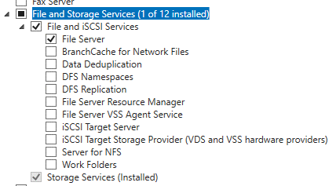
Roles
File and Storage Services
- File and iSCI Services
File Server
- Storage Services

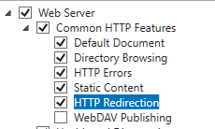
Web Server (IIS)
- Web Server
- Common HTTP Features
Default Document
Directory Browsing
HTTP Errors
HTTP Redirection

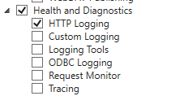
- Health and Diagnostics
HTTP Logging

- Performance
Static Content Compression

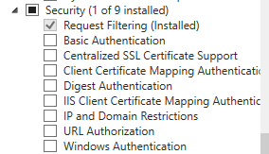
- Security
Request Filtering
Authentication

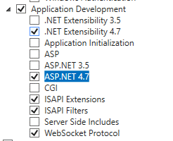
- Application Development
.NET Extensibility 4.5 (or higher)
ASP.NET 4.5 (or higher)
ISAPI Extensions
ISAPI Filters
Websocket Protocol

- Management Tools
IIS Management Console
IIS Management Scripts and Tools
Management Services

IIS_FEATURES
Open Server Manager and Install the below Roles and Features (a restart maybe needed after this)

Features
.NET Framework 3.5 Features
- .NET Framework 3.5 (Includes .NET 2.0 and 3.0)

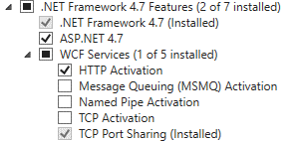
.NET Framework 4.5 Features
- .NET Framework 4.5
- ASP.NET 4.5
- WCF Services
HTTP Activation
TCP Port Sharing

Media Foundation

SMB 1.0/CIFS File Sharing Support

Windows Powershell
- Windows Powershell 4.0
- Windows Powershell 2.0 Engine
- Windows Powershell ISE

Windows Process Activation Service
- Process Model
- Configuration APIs

Ink and Handwriting Services
User Interfaces and Infrastructure

Roles and Features (Screenshots
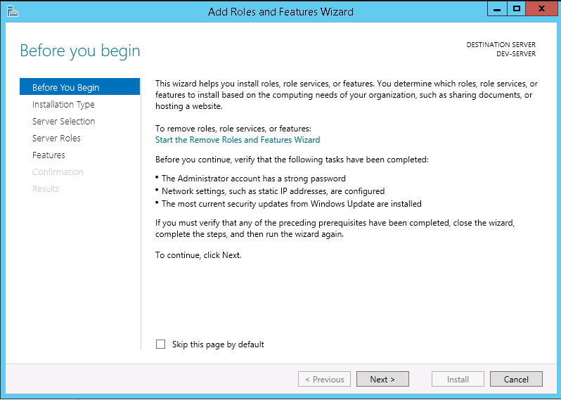

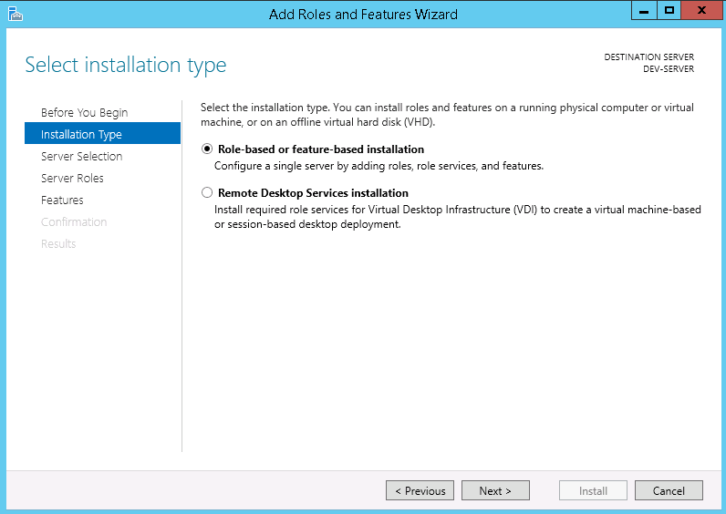

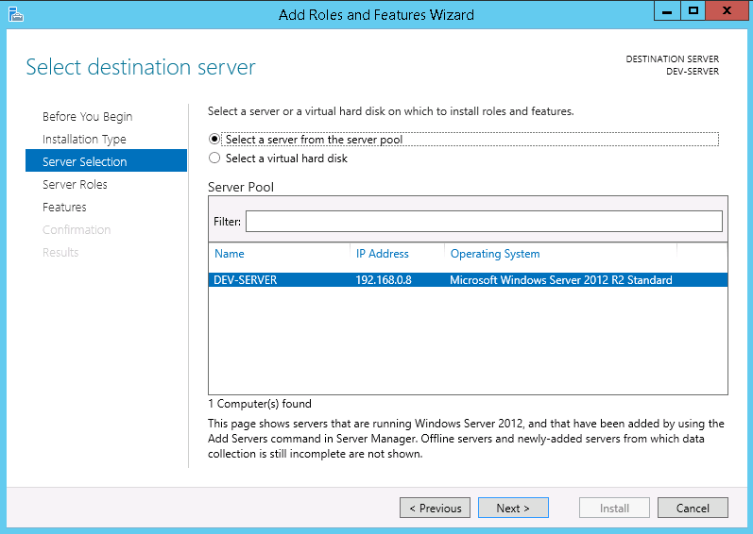

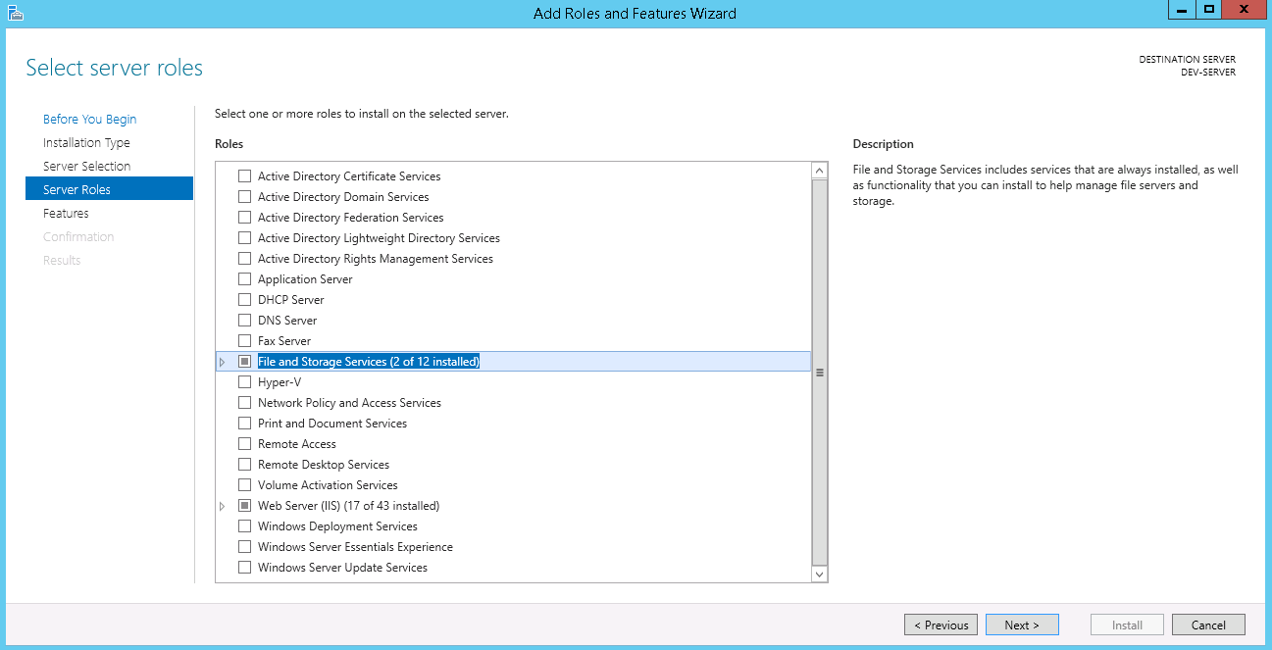

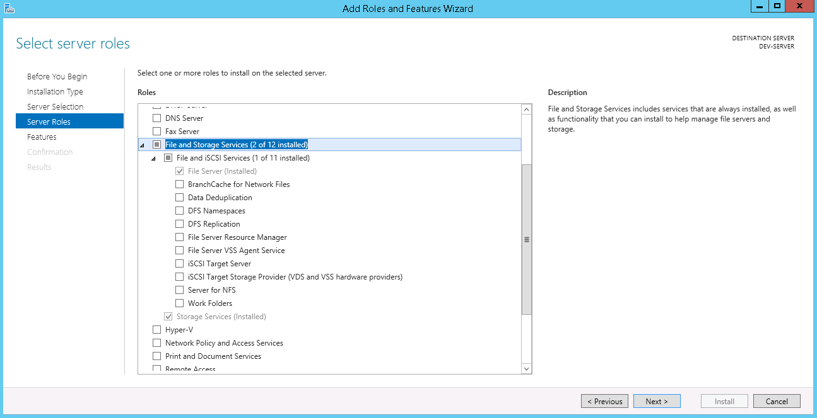

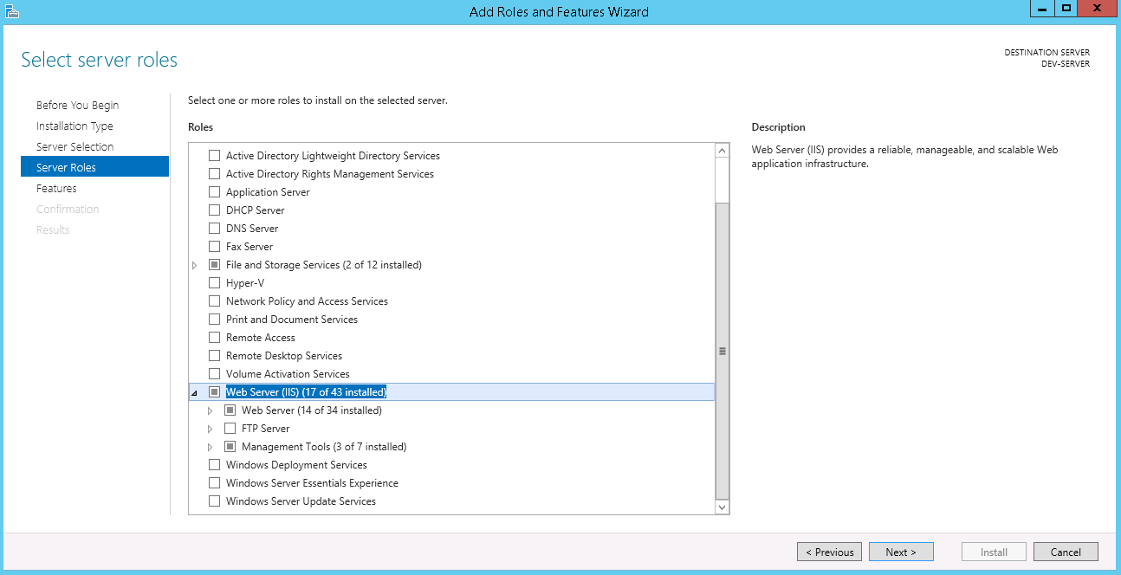

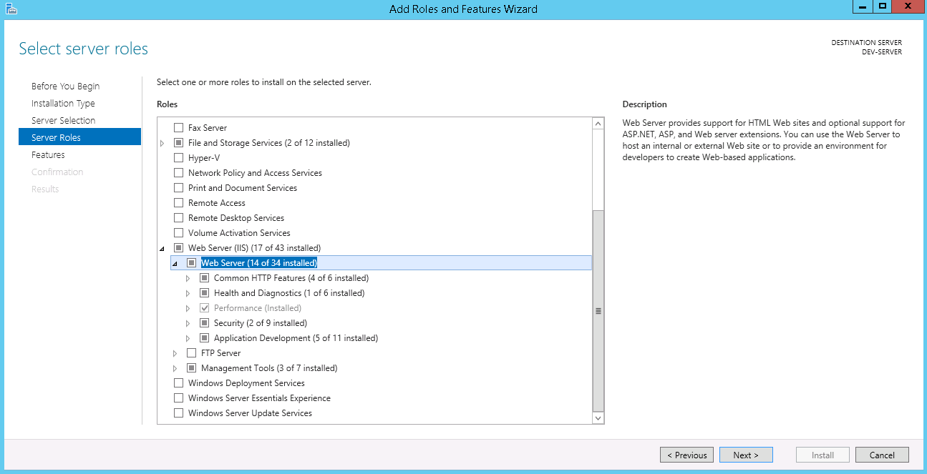

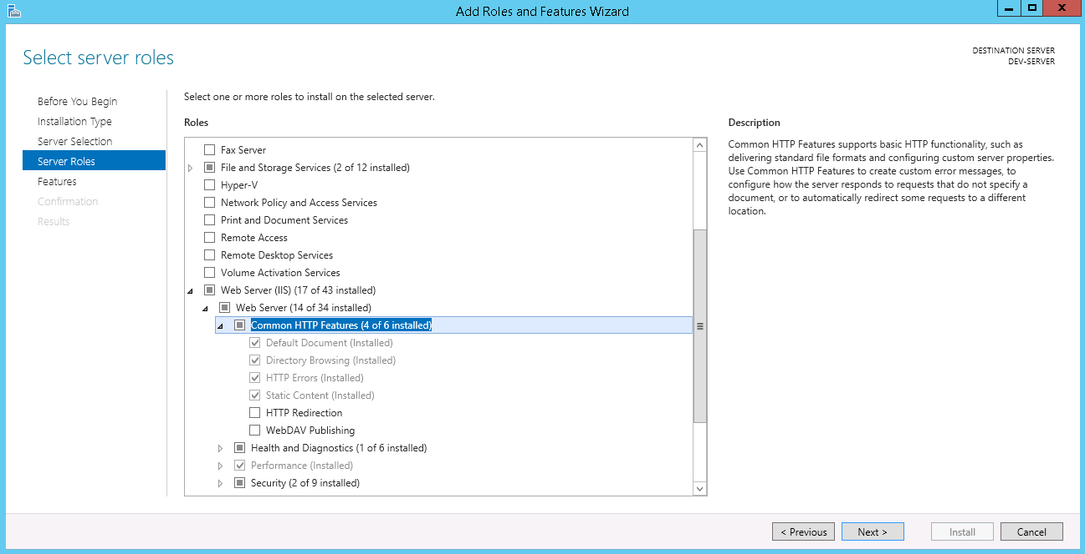

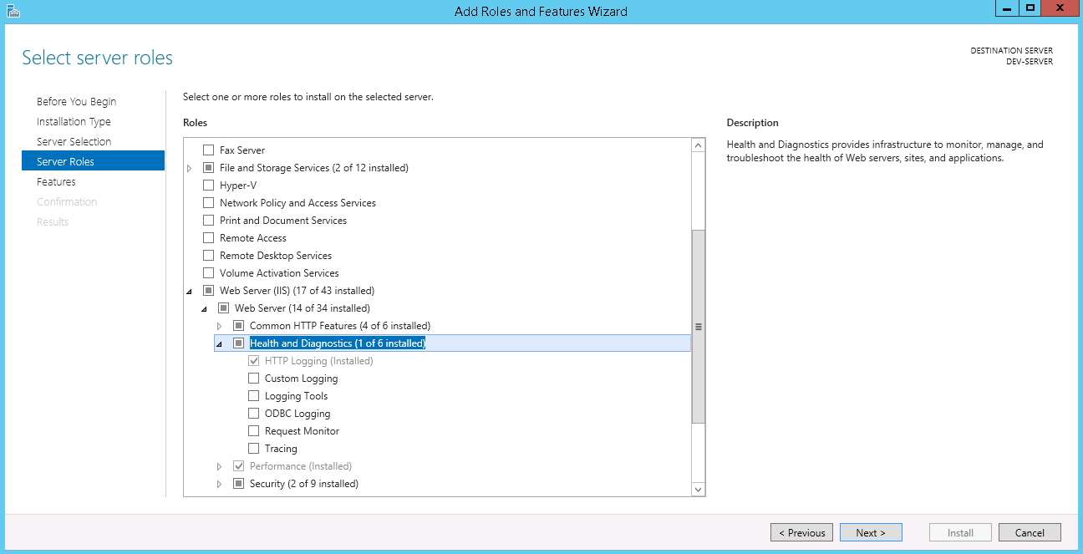

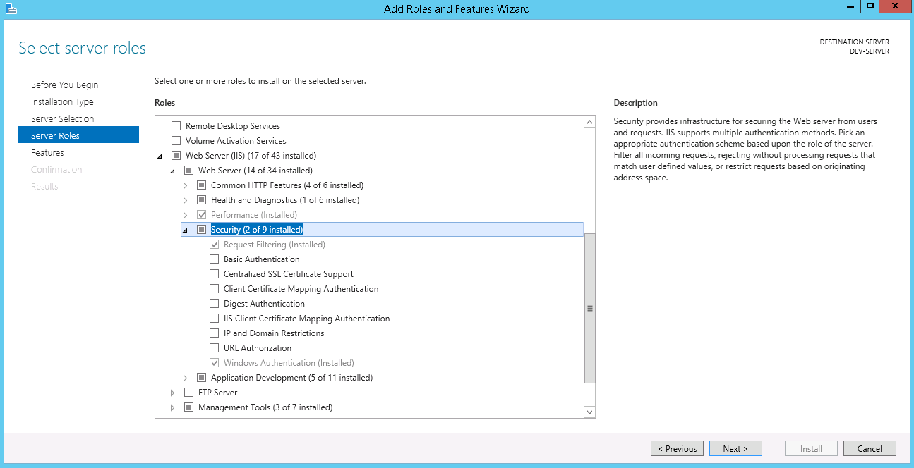

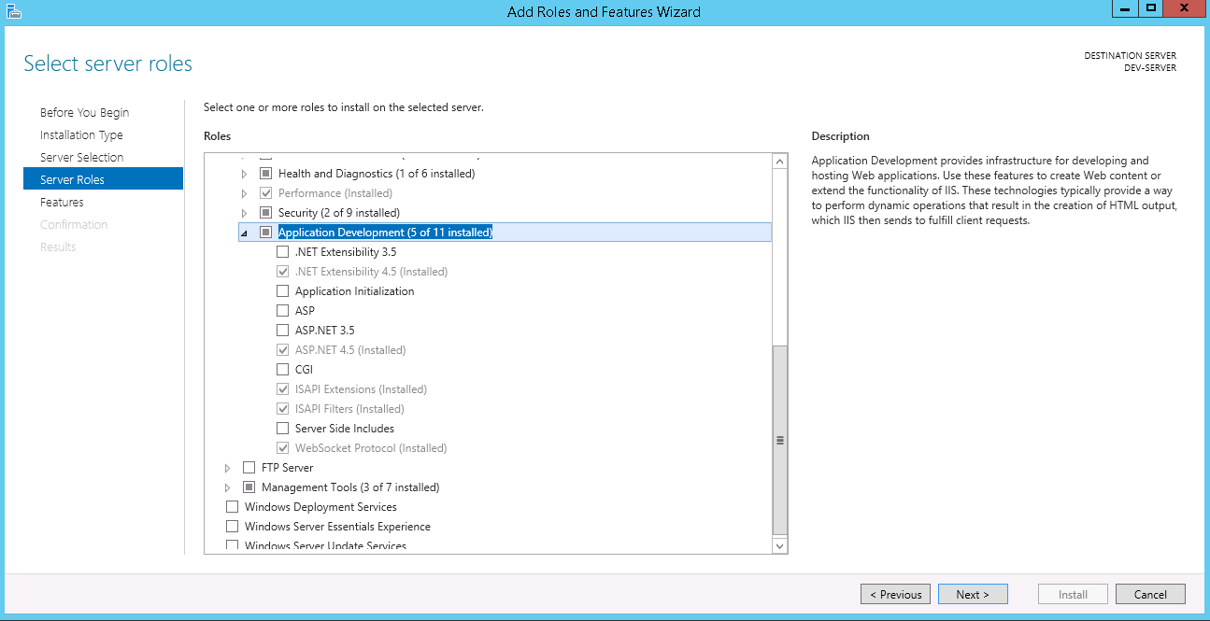

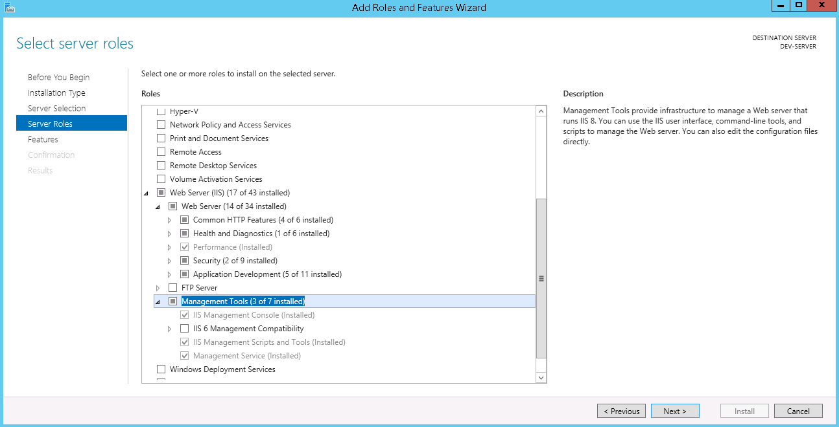

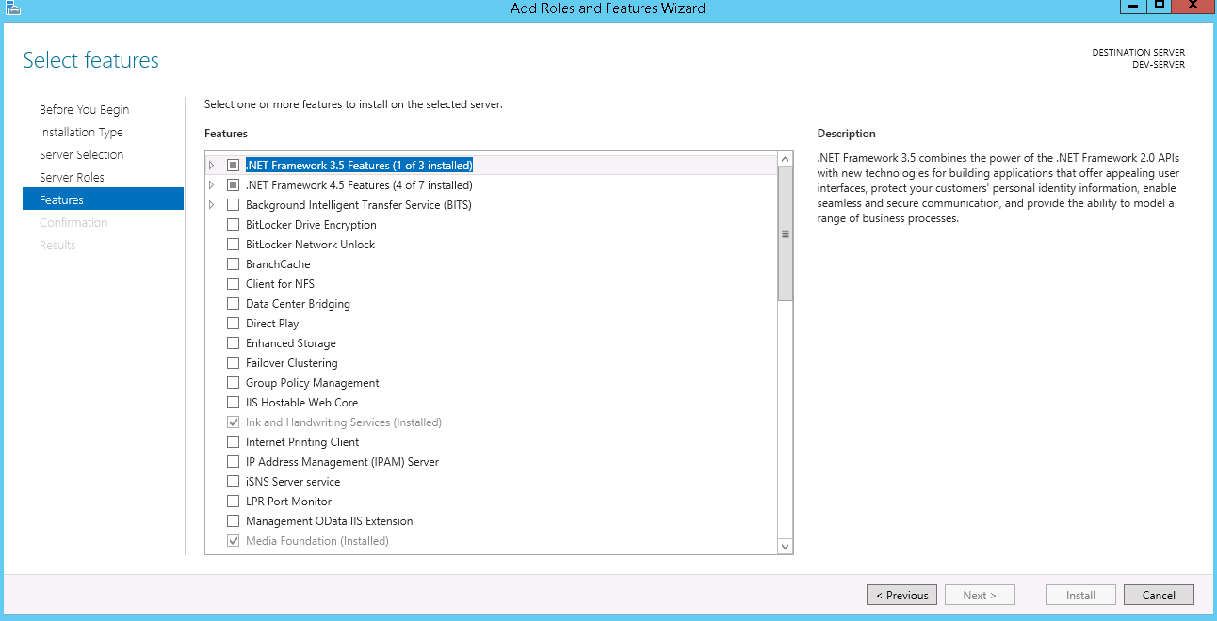

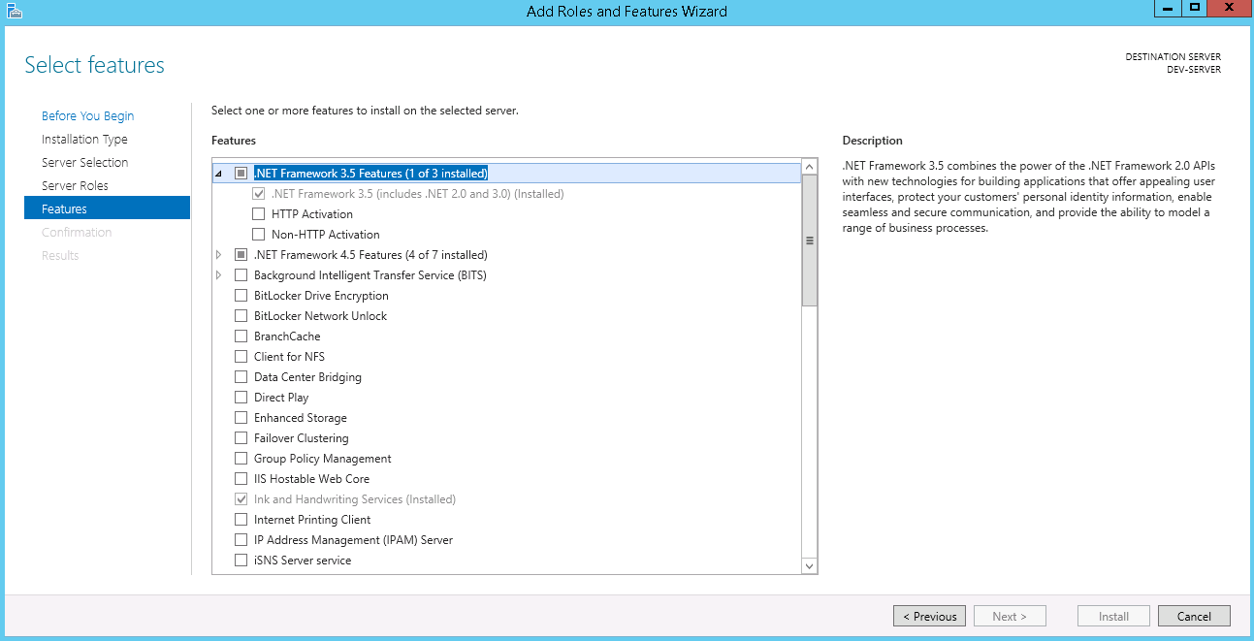

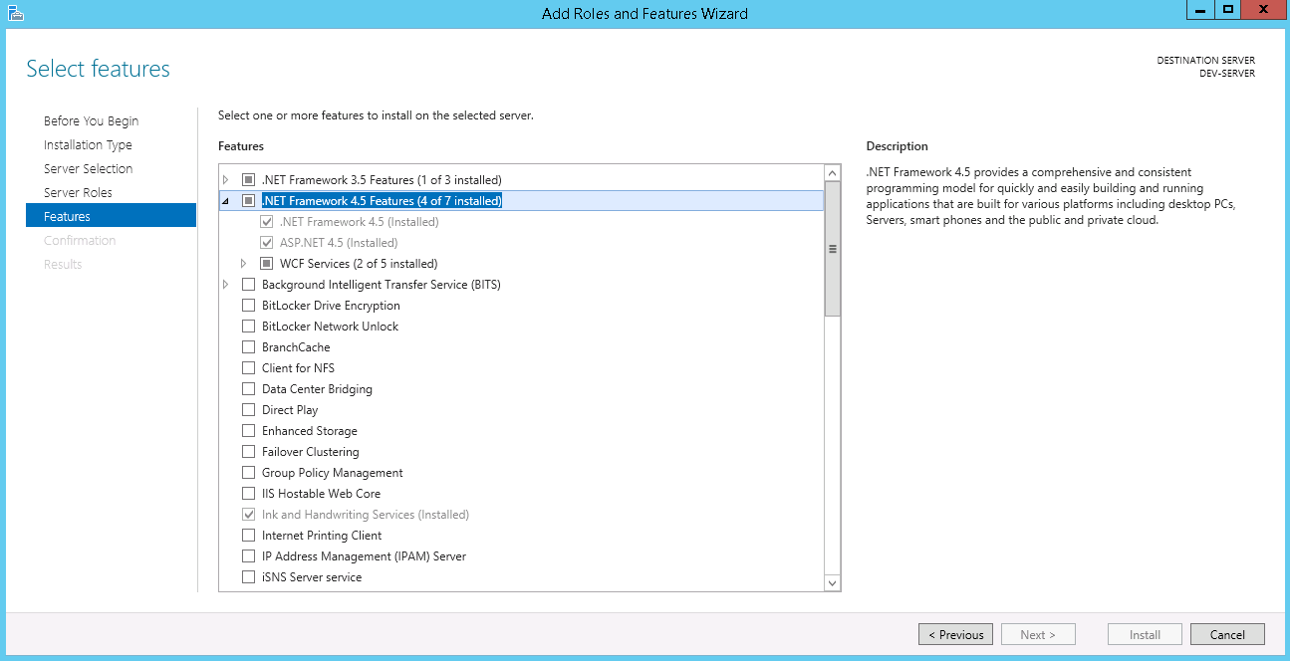

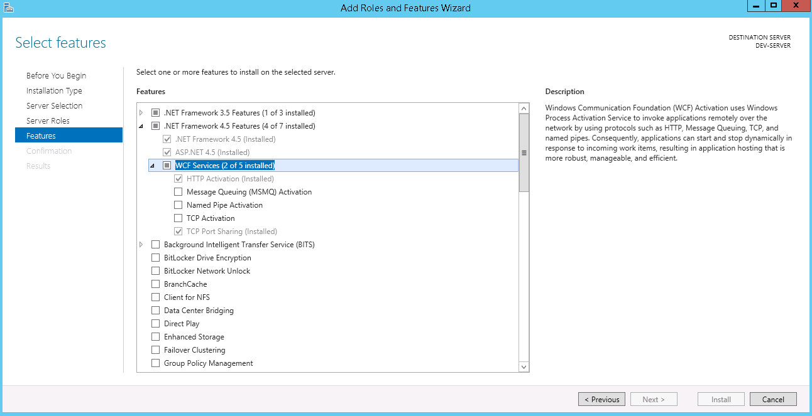

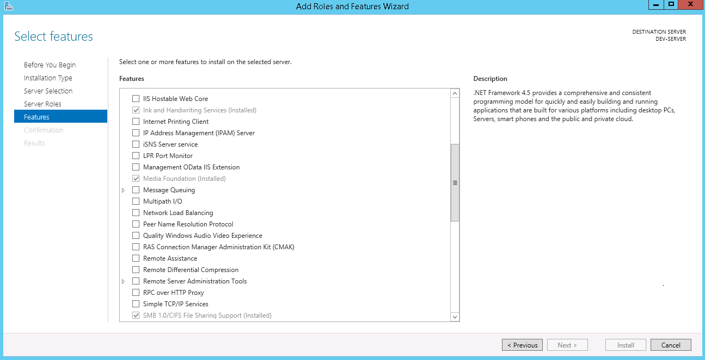

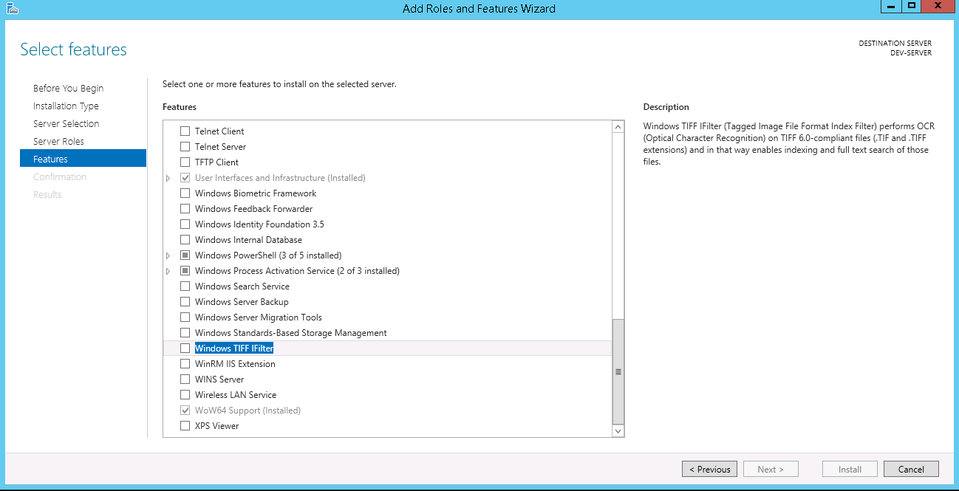

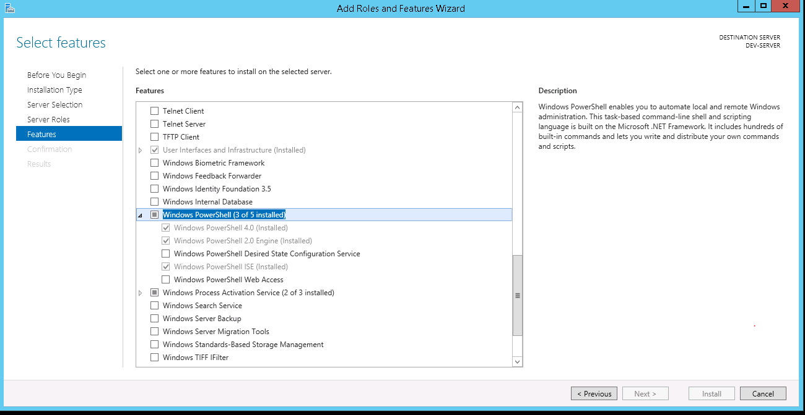

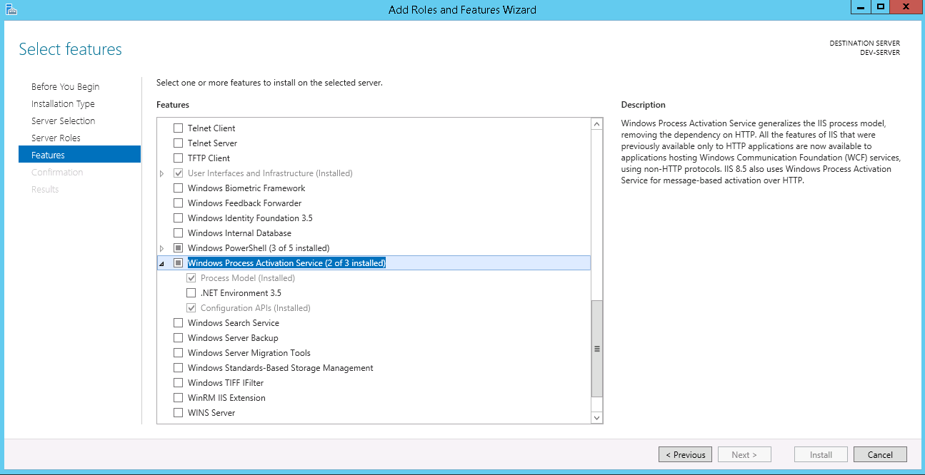

IIS_APPLICATION REQUEST ROUTING
Install Application Routing
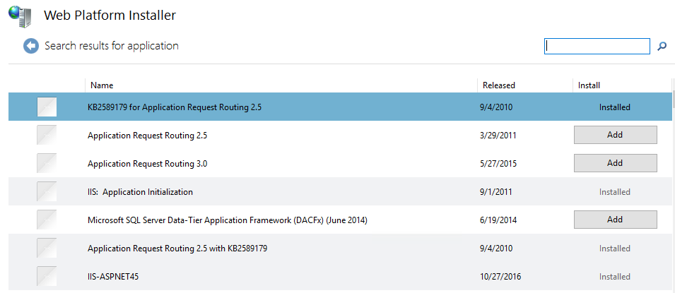

If encountering issue installing Application Request Routing, download it from here: https://www.iis.net/downloads/microsoft/application-request-routing

Open ARR

DCOM
Allow importing of excel file even if the user signed out from the server
https://blogs.technet.microsoft.com/the_microsoft_excel_support_team_blog/2012/11/12/microsoft-excel-or-microsoft-word-does-not-appear-in-dcom-configuration-snap-in/
· Open command prompt
· Enter the following: C:\WINDOWS\SysWOW64>mmc comexp.msc /32
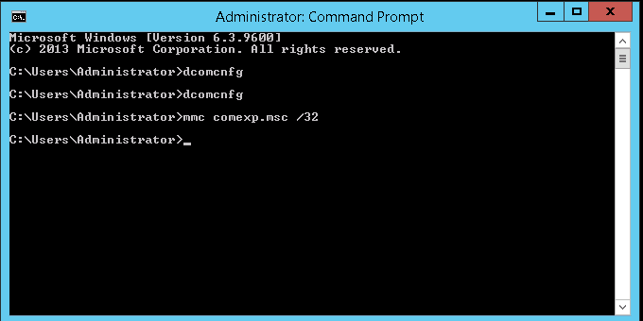

· Component Services will appear
·
Go to Component Services> Computers> My Computer> DCOM Config and find “Microsoft Excel Application”
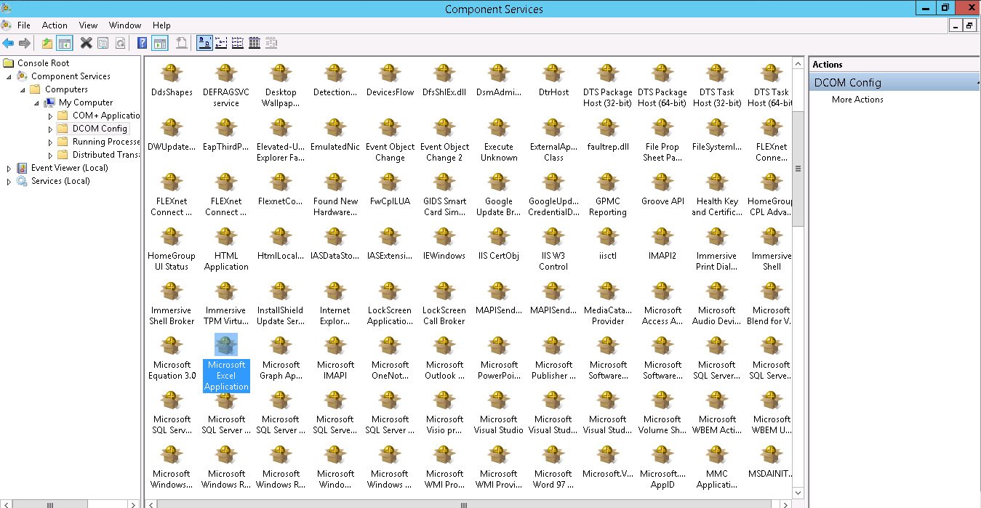

· Once you found “Microsoft Excel Application” click the right button of your mouse and the select “Properties”
· Go to Identity tab and the select “This User”, enter the user that is allowed to access in the server and the enter the password and confirmation password
· Click “Apply”
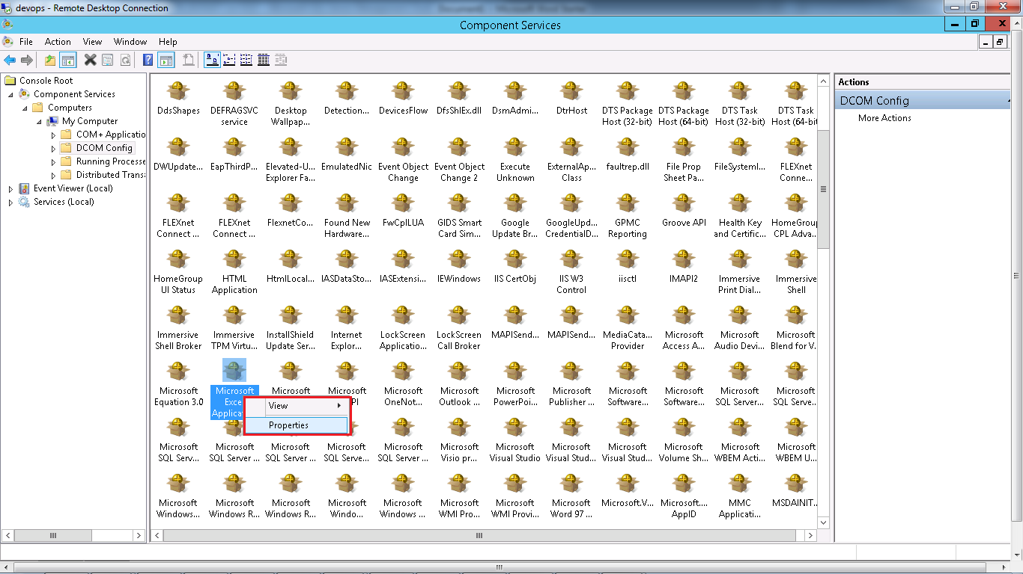

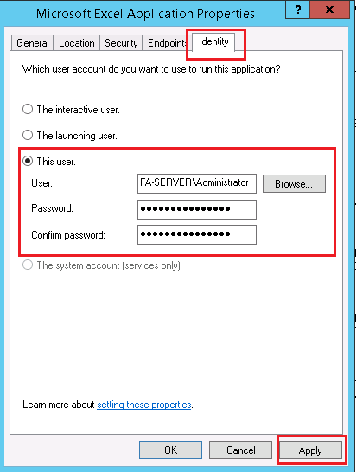

 | Check the doc for EAW_MISSING EXCEL IN DCOM

ConfigureMSDTC
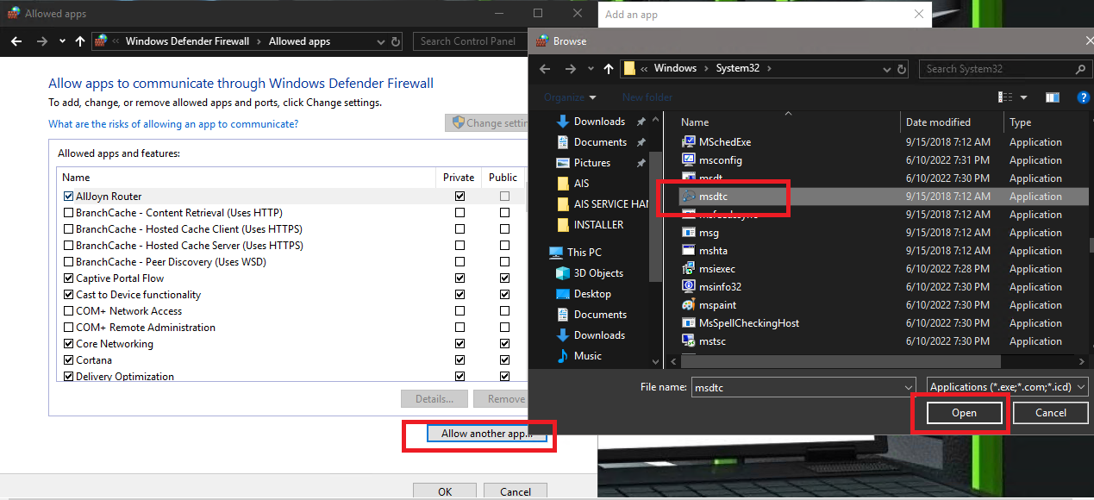
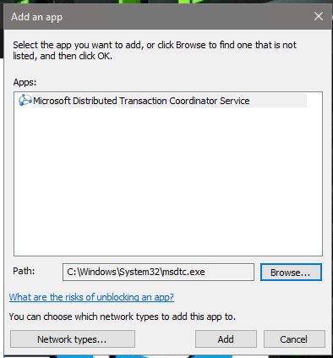
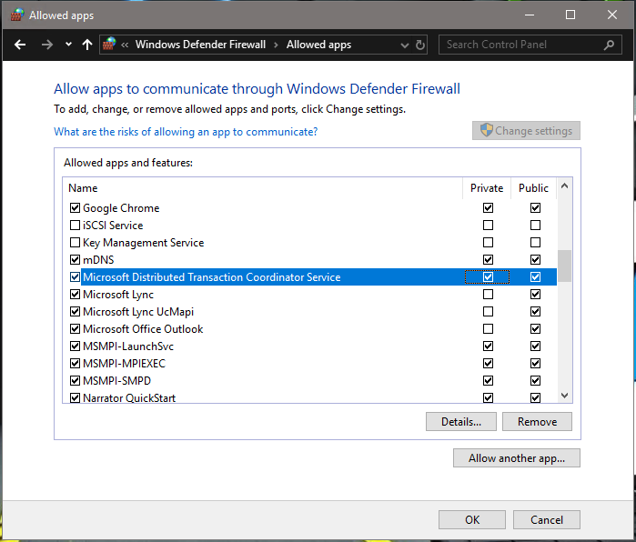
--------------------------------
Configure MSDTC
--------------------------------

1. Open Component Services.
Or, In Server Manager, select Tools, and then select Component Services.
2. Expand Component Services, expand Computers, expand My Computer, expand Distributed Transaction Coordinator, right-click Local DTC, and select Properties.
3. Select the Security tab. In this tab, select all of the following:
 | • Network DTC Access
 | • Allow Remote Clients
 | • Allow Inbound
 | • Allow Outbound
 | • No Authentication Required
 | • Select OK to save your changes.
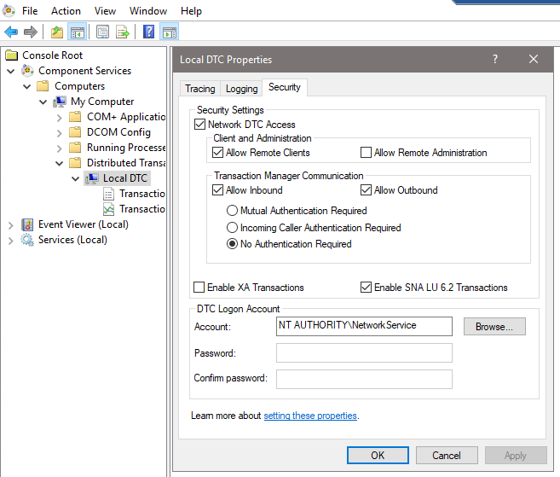

4. If prompted to restart the MSDTC service, select Yes. After the MSDTC service is restarted, close the properties and the Component Services MMC.

--------------------------------
Configuring the firewall
--------------------------------

Even though Distributed Transaction Coordinator has been enabled the distributed transaction may still fail if the firewall is turned on and hasn’t been set up properly for MSDTC.
To set up the firewall for MSTC, follow these steps:
1. Open the Windows Firewall window from the Control Panel.
2. If the firewall is not turned on you can skip this section.
3 . Go to the Allow a program or feature through Windows Firewall window(for Windows XP, you need to allow exceptions and go to the Exceptions tab on the Windows Firewall window).
4. Add Distributed Transaction Coordinator to the program list (windowssystem32msdtc.exe) if it is not already on the list. Make sure the checkbox before this item is checked.
5. Again you need to change your firewall setting for both your local and remote machines.

